Month with lowest and highest s
Month with lowest and highest sales

 |  | Month | Grand Total
 |  | 1 | 1,347,750
 |  | 2 | 1,274,250
 |  | 3 | 1,204,250
 |  | 4 | 1,175,750
 |  | 5 | 1,355,000
 |  | 6 | 1,624,750
 |  | 7 | 1,762,500
 |  | 8 | 1,654,000
 |  | 9 | 1,377,250
 |  | 10 | 1,253,250
 |  | 11 | 1,442,500
 |  | 12 | 1,677,000

 |  | HIGHEST SALES | LOWEST SALES
 |  | 1,762,500 | 1,175,750
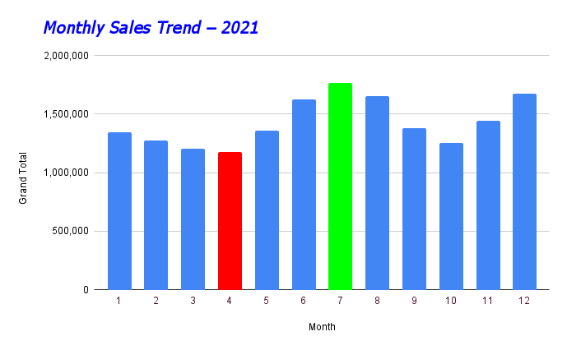

 | Key Insights:
 | 👉July recorded highest sales. 👉April recorded lowest sales. 👉Strong growth observed from May to July. 👉Sales slightly dropped post July and recovered in December.

How sales vary for different br
How sales vary for different brands

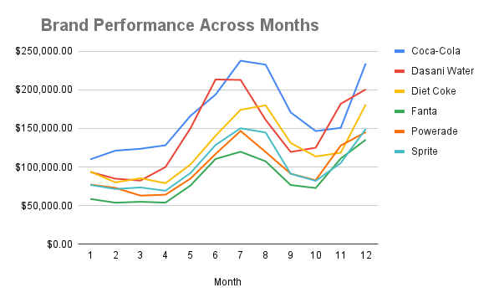

 | Key Insights🖍️

 | 👉Coca-Cola consistently leads across months. 👉Peak sales observed in July for most brands. 👉Fanta and Sprite show moderate but stable growth

🌎 Brand Performance Across Regions

 | Key Insights🖍️

 | 👉Coca-Cola dominates in every region. 👉West region shows highest brand sales overall. 👉Dasani Water performs strongly in West and Northeast.

How sales vary across regions
How sales vary across regions

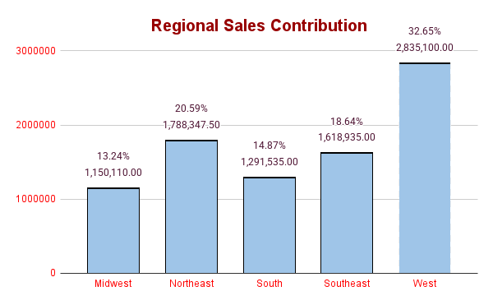

 | Region | SUM of Total Sales | % of Total Sales
 | Midwest | 1,150,110.00 | 13.24%
 | Northeast | 1,788,347.50 | 20.59%
 | South | 1,291,535.00 | 14.87%
 | Southeast | 1,618,935.00 | 18.64%
 | West | 2,835,100.00 | 32.65%
 | Grand Total | $8,684,028 | 100.00%

West region contributes the highest share (32.65%) of total sales.

Key Insights: 👉West leads with 32.65%. 👉Midwest is lowest at 13.24%. 👉Northeast and Southeast show strong performance.

Key Insights:
This chart shows the variation of total sales across different regions.
We can clearly see that the West region contributes the highest share of total sales at 32.65%, while the Midwest contributes the lowest at 13.24%.
This indicates that the West market has stronger demand and better performance compared to other regions."

